Dashboard
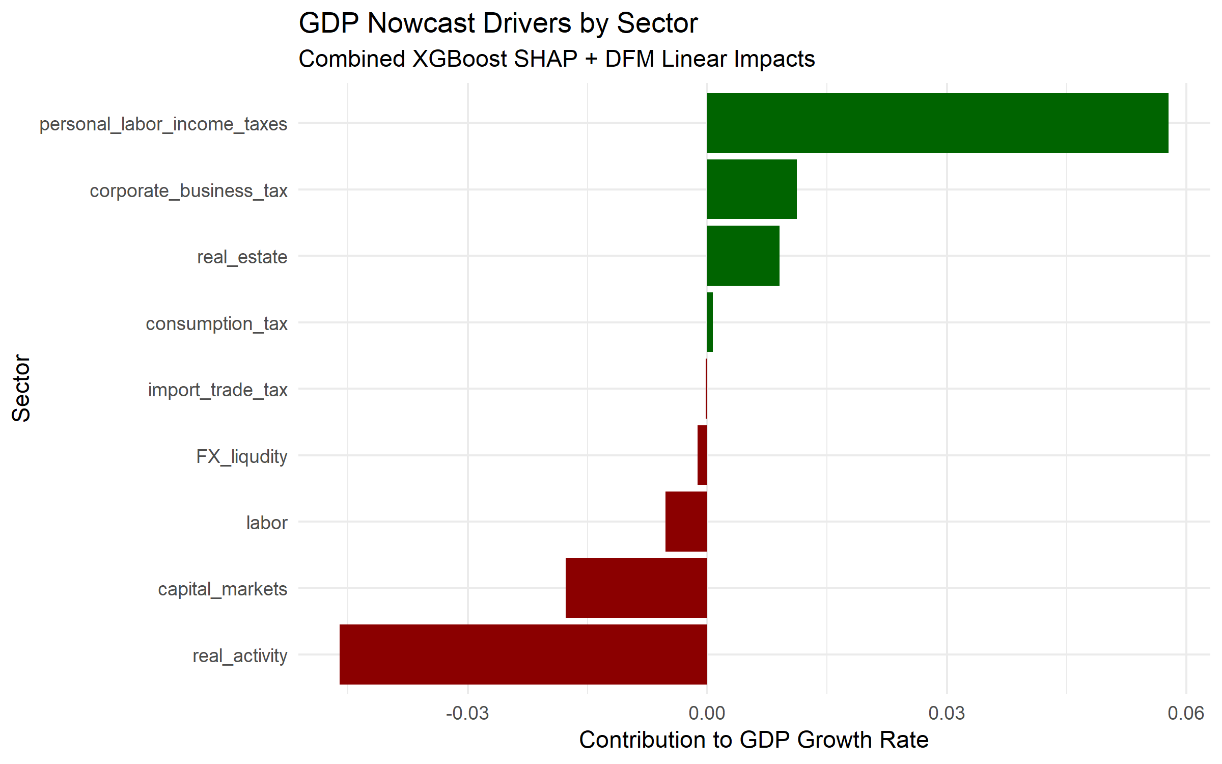
Metric | Value |  | 0.00%
XGBoost Nowcast | 1.69% | 0.069326730785 | 0.00%
DFM Nowcast | 1.65% | 0.067466596015 | 0.00%
Ensemble Growth | 1.67% | 0.068582385395 | 0.00%
Ensemble GDP Level | 444,451.97 |  | 0.00%
 |  |  | 0.00%
 |  |  | 0.00%
 |  |  | 0.00%
 |  |  | 0.00%
 |  |  | 0.00%
 |  |  | 0.00%
 |  |  | 0.00%
 |  |  | 0.00%
 |  |  | 0.00%
 |  |  | 0.00%
 |  |  | 0.00%
 |  |  | 0.00%
 |  |  | 0.00%
 |  |  | 0.00%
 |  |  | 0.00%
 |  |  | 0.00%
 |  |  | 0.00%
 |  |  | 0.00%
 |  |  | 0.00%
 |  |  | 0.00%
 |  |  | 0.00%
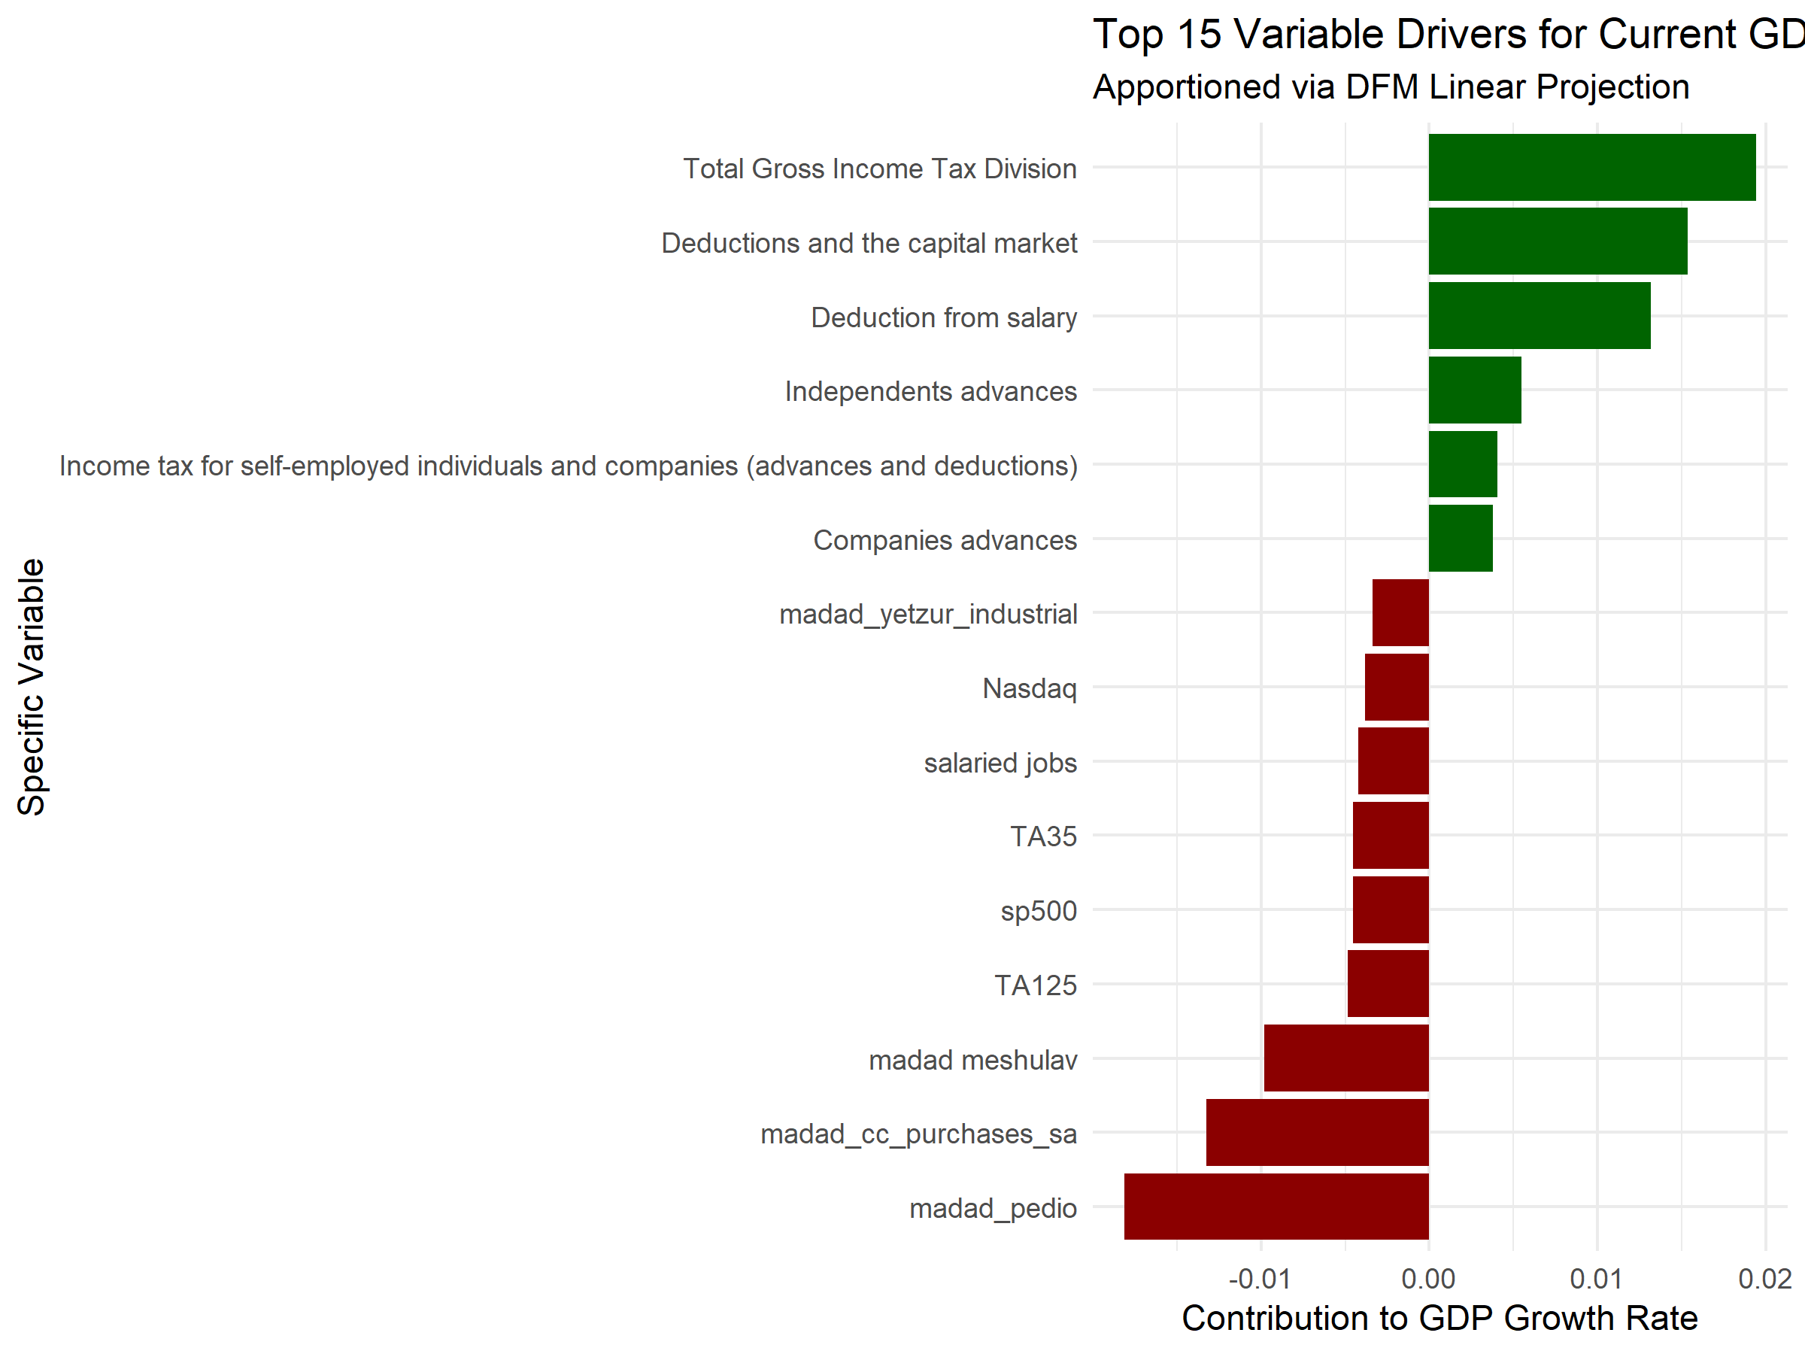
 |  |  | 0.00%
 |  |  | 0.00%
 |  |  | 0.00%
 |  |  | 0.00%
 |  |  | 0.00%
 |  |  | 0.00%
 |  |  | 0.00%
 |  |  | 0.00%
 |  |  | 0.00%
 |  |  | 0.00%
 |  |  | 0.00%
 |  |  | 0.00%
 |  |  | 0.00%
 |  |  | 0.00%
 |  |  | 0.00%
 |  |  | 0.00%
 |  |  | 0.00%
 |  |  | 0.00%
 |  |  | 0.00%
 |  |  | 0.00%
 |  |  | 0.00%
 |  |  | 0.00%
 |  |  | 0.00%
 |  |  | 0.00%
 |  |  | 0.00%
 |  |  | 0.00%
 |  |  | 0.00%
 |  |  | 0.00%
 |  |  | 0.00%
 |  |  | 0.00%
 |  |  | 0.00%
 |  |  | 0.00%
 |  |  | 0.00%
 |  |  | 0.00%
 |  |  | 0.00%
 |  |  | 0.00%
 |  |  | 0.00%
 |  |  | 0.00%
 |  |  | 0.00%
 |  |  | 0.00%
 |  |  | 0.00%
 |  |  | 0.00%
 |  |  | 0.00%
 |  |  | 0.00%
 |  |  | 0.00%
 |  |  | 0.00%
 |  |  | 0.00%
 |  |  | 0.00%
 |  |  | 0.00%
 |  |  | 0.00%
 |  |  | 0.00%
 |  |  | 0.00%
 |  |  | 0.00%
 |  |  | 0.00%
 |  |  | 0.00%
 |  |  | 0.00%
 |  |  | 0.00%
 |  |  | 0.00%
 |  |  | 0.00%
 |  |  | 0.00%
 |  |  | 0.00%
 |  |  | 0.00%

